Pricing
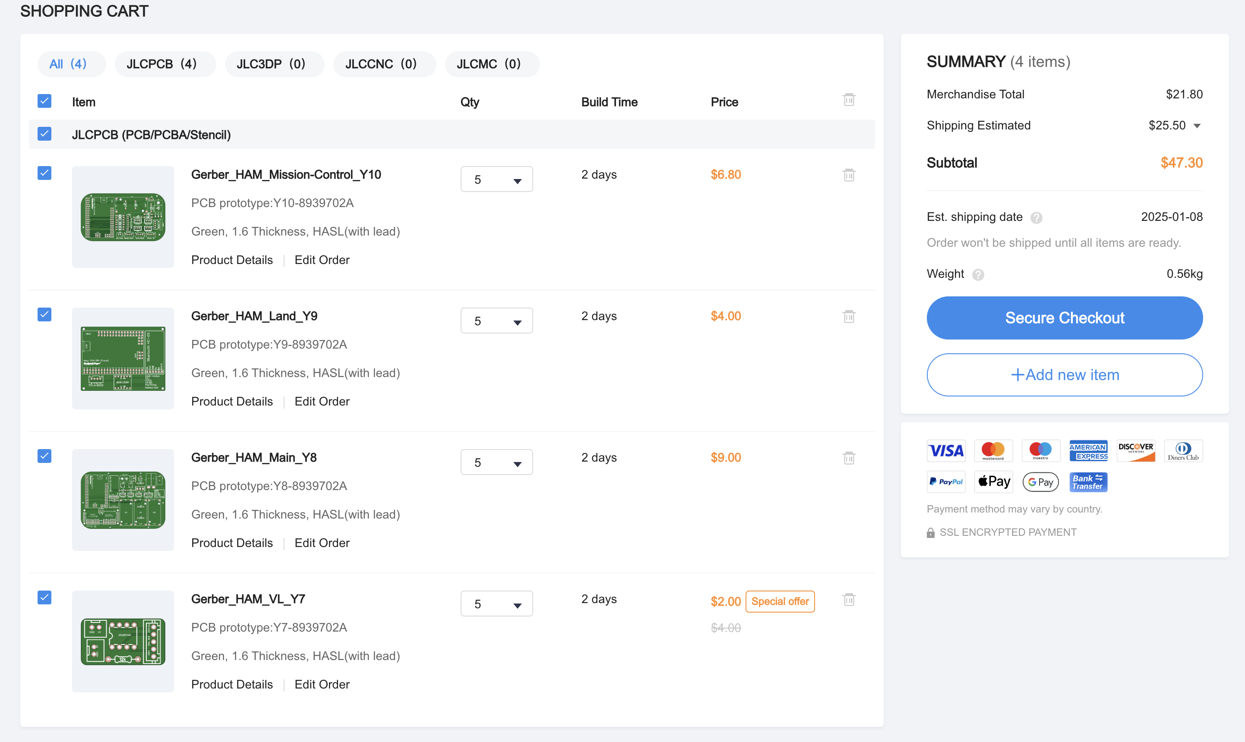
Item | Link | Quantitiy | Unit Price | Total
JLCPCB Custom Order - 4 PCB's Default Settings, 5 Per PCB - Green | https://jlcpcb.com | 1 | 47.3 | 47.3
 |  |  |  | 47.3

Cut Sheet
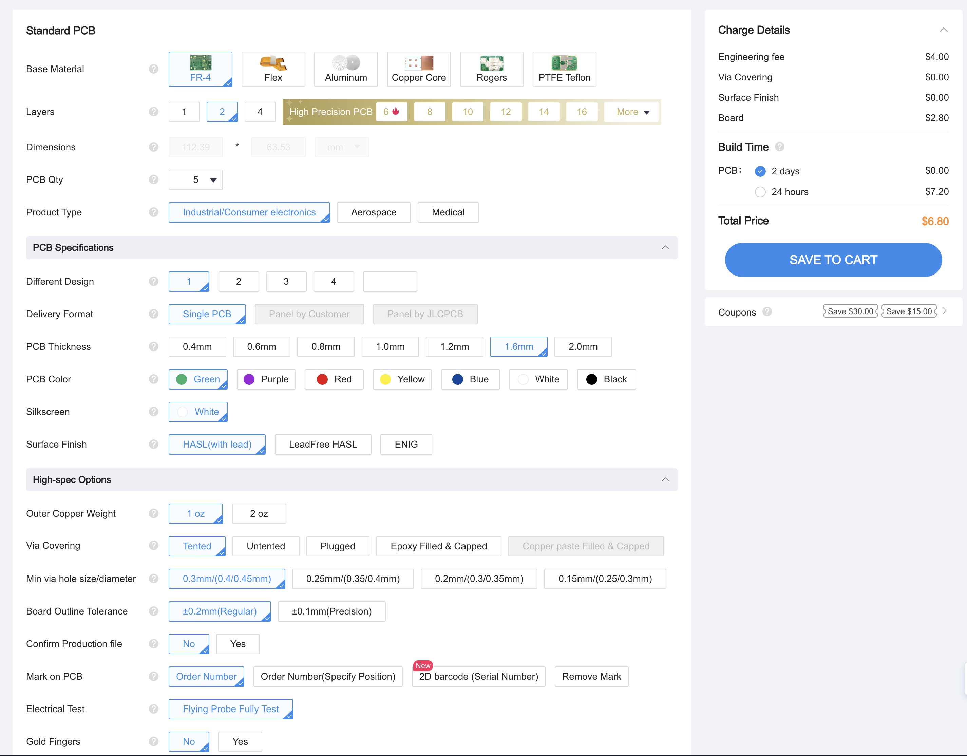
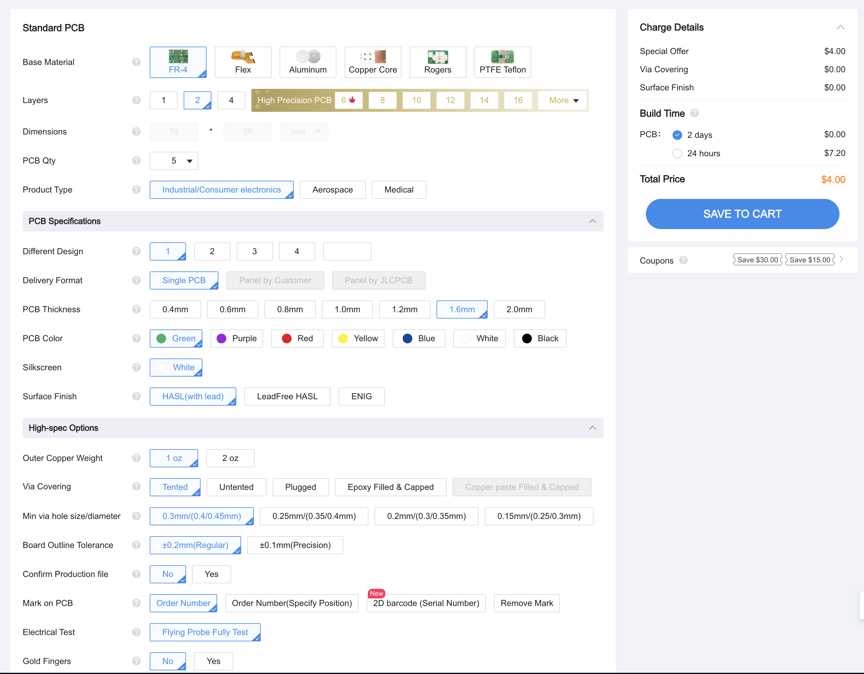

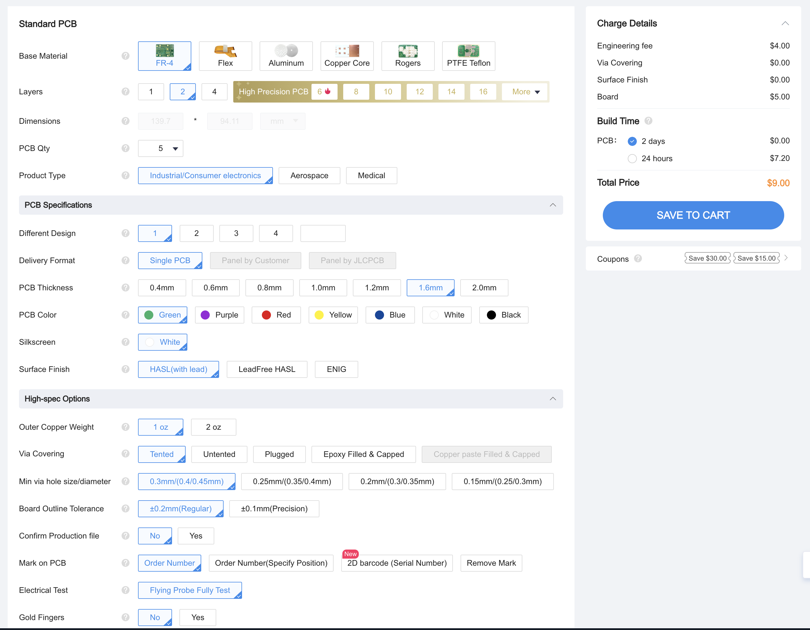
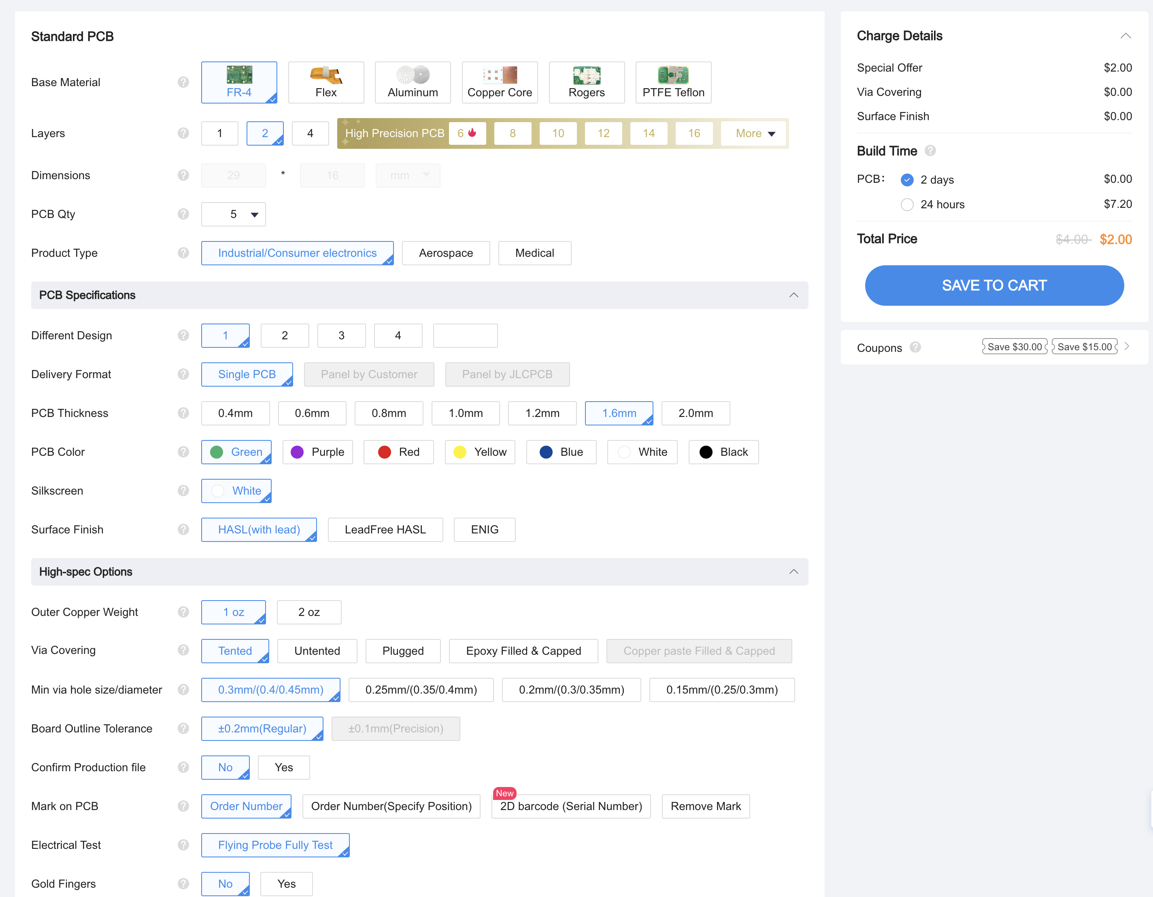

1

